1. Title Page
Instacart Grocery Basket Analysis

Project Name: Instacart Grocery Basket Analysis
Date:
Analyst Name: Wilfredo Viruet

Contents:
Population Flow
Consistency checks
Wrangling steps
Column derivations
Visualizations
Recommendations

Data Citation
The Instacart Online Grocery Shopping Dataset 2017”, Accessed from www.instacart.com/datasets/grocery-shopping-2017 via Kaggle on 8/28/2023. The customer data as well as the “prices” column in the products data set, were both fabricated for the purpose of this course.

2. Population Flow
 | Title page

Population flow

Exclusion flag
Condition: max_order <
Obervations to be removed:
Final total count of order_products_all:

Orders_products_combined
Orders_products_merged
Orders_products_all

Total:
Total: 32434489 rows x 12 columns
Total: 32434212 rows x 17 columns
3240489 X 16

1.) The grey boxes in the first row of the population flow represent the original data sets as they were when you downloaded them. In the Total fields you need to add the count of the rows when you imported the data set into Jupyter.
2.) The second row of boxes (coloured) represents the data sets after you manipulated them, e.g., removed missing values and duplicates. In the Total fields you need to add the count of the rows after conducting these operations. This offers a visual oveview of how the data flows throughout the data consistency checks.
3.) The third row, where also the arrows are coloured, represents the merges you performed between the datasets. In the Total fields you need to add the count of the rows in the merged datasets, so that you end up with the final dataset (in the red box). Keep in mind the final dataset should be without exclusions (based on the exclusion flag).

3. Consistency checks
 |  |  |  | Title page
Consistency checks

Dataset | Missing values | Missing values treatment | Duplicates
orders | days_since_prior has 206209 | Nothing done - See notes | No duplicates
products | product_name has 16 missing values in the 'product_name' column | Values were dropped
orders_products_prior | none found | none found | No duplicates
customers | none found | none found | No duplicates

4. Wrangling steps
 |  |  |  | Title page
Wrangling steps

Columns dropped | Columns renamed | Columns' type changed | Comment/Reason
eval_set |  |  | Irrelevant due to prior data set released by instacart.
 | order_dow |  | Renamed to 'order_day_of_week' for clarity.
 |  | order_id | Type change to 'str' to perform describe() on this column.
 |  | user_id | Type change to 'str' to perform describe() on this column.

5. Column derivations
 |  |  |  |  | Title page

Column derivations and aggregations

In this tab you should add tables below that the frequences of flags/label variables that you produced after deriving them. NB: don't do this for continuous variables, only for flags.
Data set | New column | Column/s it was derived from | Conditions
df_ords_prods_merged | price_label | prices | High-range product: >15 Mid-range product: >5 and <=15 Low-range product: <=5
df_ords_prods_merged | busiest_days | order_day_of_week | Busiest: Saturday and Sunday Regular: Friday, Monday, Thursday Slowest Tuesday, Wednesday
df_ords_prods_merged | busiest_period_of_day | order_hour_of_day | Most orders by hours 1000 and 1100 Fewest orders by hours 23000 and 0600
df_merged_all | order_frequency_flag | median_prior_orders | Frequent customer: <=10 Regular customer: <-20 Non-frequent customer: >20
df_merged_all | spending_flag | average_price | High spender: >=10 Low spender: <10
df_merged_all | loyalty_flag | max_order | Loyal customer: max_order > 40 Regular customer: max_order >10 and <= 40 New customer: max_order <= 10
df_merged_all | region | state | ['Maine', 'New Hampshire', 'Vermont', 'Massachusetts', 'Rhode Island', 'Connecticut', 'New York', 'Pennsylvania', 'New Jersey'] mid_list= ['Wisconsin', 'Michigan', 'Illinois', 'Indiana', 'Ohio', 'North Dakota', 'South Dakota', 'Nebraska', 'Kansas', 'Minnesota', 'Iowa', 'Missouri'] s_list = ['Delaware', 'Maryland', 'District of Columbia', 'Virginia', 'West Virginia', 'North Carolina', 'South Carolina', 'Georgia', 'Florida', 'Kentucky', 'Tennessee', 'Mississippi', 'Alabama', 'Oklahoma', 'Texas', 'Arkansas', 'Louisiana'] w_list = ['Idaho', 'Montana', 'Wyoming', 'Nevada', 'Utah', 'Colorado', 'Arizona', 'New Mexico', 'Alaska', 'Washington', 'Oregon', 'California', 'Hawaii']"
df_merged_all | exclusion_flag | max_order | exclusion_threshold = 5

 |  |  |  | Fewest orders by hours 23000 and 0600

6. Visualizations
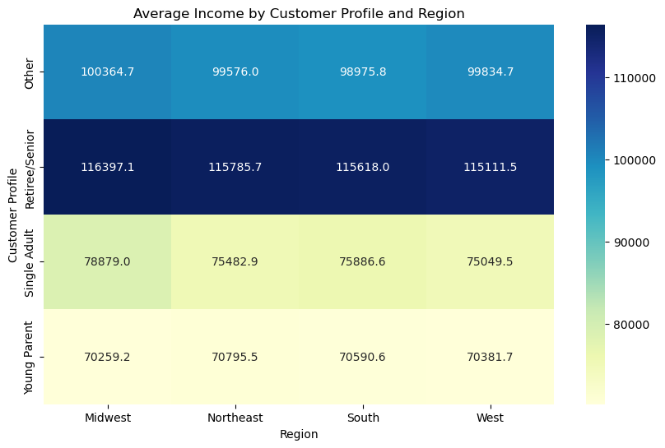
Visualizations for project brief. View tab labeled “Additional Visualization” for viz on 4.9 and 4.10
 | 1. The sales team needs to know what the busiest days of the week and hours of the day are (i.e., the days and times with the most orders) in order to schedule ads at times when there are fewer orders.

The below histogram shows the busiest hours of the day.
x-axis represents the hours pf the day and y-axis represents the order frequency
The below bar chart shows the amount of orders (y-axis) spread accross the days of the week (x-axis)

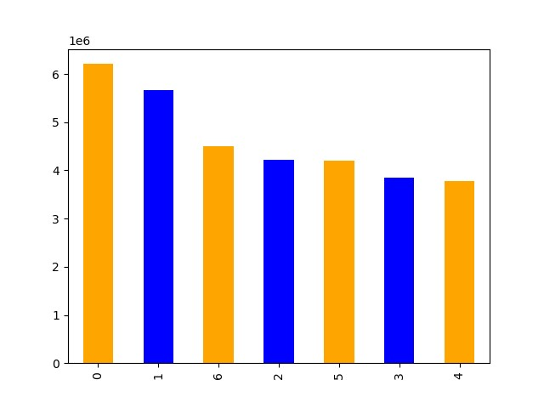


Legend:
0 - Saturday
1 - Sunday
2 - Monday
3 - Tuesday
4 -Wednesday
5 - Thursday
6 - Friday

 |  | Day of Week Orders |  | Time | Amount of Orders
 |  | Saturday | 6204182 | 1000 | 2761760
 |  | Sunday | 5660230 | 1100 | 2736140
 |  | Friday | 4496490 | 1400 | 2689136
 |  | Monday | 4213830 | 1500 | 2662144
 |  | Thursday | 4205791 | 1300 | 2660954
 |  | Tuesday | 3840534 | 1200 | 2618532
 |  | Wednesday | 3783802 | 1600 | 2535202
 |  |  |  | 900 | 2454203
 |  |  |  | 1700 | 2087654
 |  |  |  | 800 | 1718118
 |  |  |  | 1800 | 1636502
 |  |  |  | 1900 | 1258305
 |  |  |  | 2000 | 976156
 |  |  |  | 700 | 891054
 |  |  |  | 2100 | 795637
 |  |  |  | 2200 | 634225
 |  |  |  | 2300 | 402316
 |  |  |  | 600 | 290493
 |  |  |  | 0 | 218769
 |  |  |  | 100 | 115700
 |  |  |  | 500 | 87961
 |  |  |  | 200 | 69375
 |  |  |  | 400 | 53242
 |  |  |  | 300 | 51281

 | 2. They also want to know whether there are particular times of the day when people spend the most money, as this might inform the type of products they advertise at these times.

The below line chart shows the prices of the products ordered during the hours of the day. Hours of the day is on the x-axis and price of the products on the y-axis

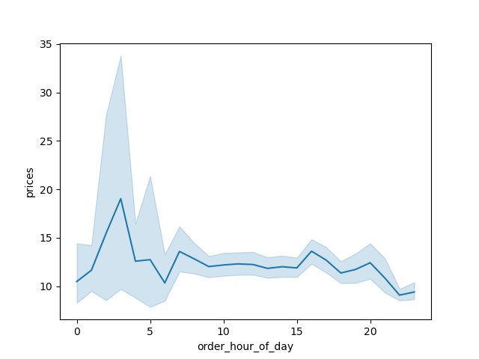

 | 3. Instacart has a lot of products with different price tags. Marketing and sales want to use simpler price range groupings to help direct their efforts.
 | #Define price label function

 | def price_label(row):

 | if row['prices'] <= 5:
 | return 'Low-range product'
 |  | elif (row['prices'] > 5) and (row['prices'] <= 15):
 |  | return 'Mid-range product'
 |  | elif row['prices'] > 15:
 |  | return 'High range product'
 |  | else: return 'Not enough data'

 | df['price_range'].value_counts(dropna = False)
 | Mid-range product 756450
 | Low-range product 243550
 | Name: price_range, dtype: int64

4. Are there certain types of products that are more popular than others? The marketing
and sales teams want to know which departments have the highest frequency of
product orders.

 | 5. What’s the distribution among users in regards to their brand loyalty (i.e., how often do they return to Instacart)?

 | 5B Are there differences in ordering habits based on a customer’s loyalty status?

 | 5C Are there differences in ordering habits based on a customer’s region?

Cross-Tabulation:
spending_flag high spender low spender
Region
Midwest 156129 7447681
Northeast 108343 5620004
South 210182 10591428
West 160807 8139638
Cross-Tabulation with Percentages:
spending_flag high spender low spender
Region
Midwest 0.020533 0.979467
Northeast 0.018913 0.981087
South 0.019458 0.980542
West 0.019373 0.980627:
Midwest:
Proportion of high spenders: 0.020533
Proportion of low spenders: 0.979467
Northeast:
Proportion of high spenders: 0.018913
Proportion of low spenders: 0.981087
South:
Proportion of high spenders: 0.019458
Proportion of low spenders: 0.980542
West:
Proportion of high spenders: 0.019373
Proportion of low spenders: 0.980627

 | 5D. Is there a connection between age and family status in terms of ordering habits?

 | 5E What different classifications does the demographic information suggest? Age? Income? Certain types of goods? Family status?

 | 5F What differences can you find in ordering habits of different customer profiles? Consider the price of orders, the frequency of orders, the products customers are ordering, and anything else you can think of.

Customer_Profile Max_Usage_Frequency Mean_Usage_Frequency \
0 Other 30.0 11.112593
1 Retiree/Senior 30.0 11.083596
2 Single Adult 30.0 11.161308
3 Young Parent 30.0 11.105879
Median_Usage_Frequency Mode_Usage_Frequency Min_Usage_Frequency \
0 8.0 7.0 0.0
1 8.0 7.0 0.0
2 8.0 7.0 0.0
3 8.0 7.0 0.0
Max_Expenditure Mean_Expenditure Median_Expenditure Mode_Expenditure \
0 99999.0 11.949298 7.4 12.3
1 99999.0 11.847033 7.4 12.3
2 99999.0 13.514161 7.7 12.3
3 99999.0 11.942980 7.4 12.3
Min_Expenditure
0 1.0
1 1.0
2 1.0
3 1.0

7. Recommendations
 |  |  | Title page

 | 1. The sales team needs to know what the busiest days of the week and hours of the day are (i.e., the days and times with the most orders) in order to schedule ads at times when there are fewer orders.

Observations |  | Busiest days Saturday and Sunday
 |  | Least busy days Wednesday and Tuesday

 |  | Most orders by hours 1000 and 1100
 |  | Fewest orders by hours 23000 and 0600

Recommendations |  | The marketing team can target their ads for Wednesdays and Tuesdays, at two distinct times: 06:00 in the morning and 23:00 in the evening.

 | View Visulaizations tab for visuals.

 | 2. They also want to know whether there are particular times of the day when people spend the most money, as this might inform the type of products they advertise at these times.

Observations |  | Tops out at 03:00 and dips at 0500. Steadies out for rest of day.

Recommendations |  | It reaches its highest point at 03:00 in the morning, then experiences a decline at 05:00. Then maintains a consistent and steady pattern throughout the rest of the day.

 | 3. Instacart has a lot of products with different price tags. Marketing and sales want to use simpler price range groupings to help direct their efforts.

Observations
 | >15 | High-range product 0
 | >5- <=15 | Mid-range product 756450
 | <=5 | Low-range product 243550

Recommendations
 | Target mid-range products. Such as discounts, bundles, etc.

 | 4. Are there certain types of products that are more popular than others? The marketing and sales teams want to know which departments have the highest frequency of product orders.

Observations
 | Top Departments are Bulk and Babies
 | Bottom Department Alcohol, Pets, Frozen

Recommendations
 | Based on the data, prioritize stocking up on items like baby products, while considering reducing inventory for less frequently ordered items such as alcohol, pets, and frozen goods.

 | 5A What’s the distribution among users in regards to their brand loyalty (i.e., how often do they return to Instacart)?

Observations
 | The data shows that the regular customers more than double new customers and loyal customers are between the two.

Recommendations
 | Increase advertisement budget for ‘new customers’. Keep same strategy for ‘regular customers’.

 | 5B Are there differences in ordering habits based on a customer’s loyalty status?

Observations

Recommendations
 | To increase profits. Target new customers with special deals that encourage them to spend more when they first start up.

 | 5C Are there differences in ordering habits based on a customer’s region?

Observations
 | Cross-Tabulation:
 | spending_flag high spender low spender
 | Region
 | Midwest 156129 7447681
 | Northeast 108343 5620004
 | South 210182 10591428
 | West 160807 8139638
 | Cross-Tabulation with Percentages:
 | spending_flag high spender low spender
 | Region
 | Midwest 0.020533 0.979467
 | Northeast 0.018913 0.981087
 | South 0.019458 0.980542
 | West 0.019373 0.980627

 | Recommendations

 | The Midwest has the highest proportion of high spenders.
 | The Northwest has the lowest proportion of high spenders.

 | 5D. Is there a connection between age and family status in terms of ordering habits?

Observations

Recommendations

 | 5E What different classifications does the demographic information suggest? Age? Income? Certain types of goods? Family status?

Observations

Recommendations

 | 5F What differences can you find in ordering habits of different customer profiles? Consider the price of orders, the frequency of orders, the products customers are ordering, and anything else you can think of.

Observations
 | Ordering Frequency --- Single adults tend to order more frequently compared to young parent and retirees/seniors.
 | Spending Patterns --- Single adults spend more per order, averaging $13.51.
 | Income/Location --- Single adults in the Midwest have the highest income.

Recommendations
 | Target marketing efforts on single adults in Reddit and Youtube communities.
 | Targeted marketing in the midwest to single adults.

In this tab you should include any recommendations you would made to Instcart in terms of their marketing strategy based on the questions posed in the brief. Every key question has been covered in the Tasks of the Exercises - here you need to add an item - a visualisation or table/crosstable that is showing the answer in the data, acompanied by a comment from you. Please, list the questions below and add the answer underneath.

Additional Visualizations
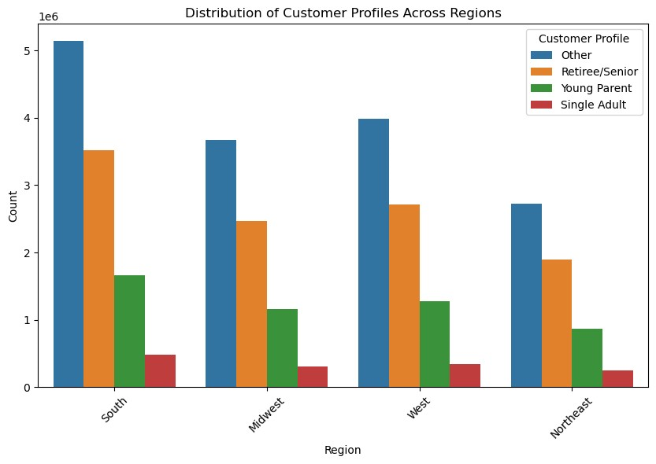
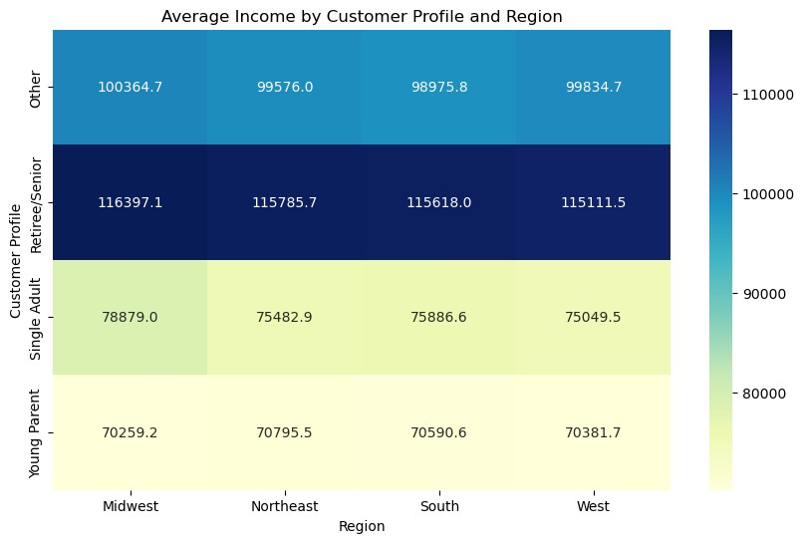
 |  |  |  |  | Title page

Visualisations

In this tab you should include all the visualtions from Exercises 4.9 and 4.10, alongside the questions from the project brief that they answer. Include any commentary on the relationship between different variables.

 |  |  |  |  |  | Family Status

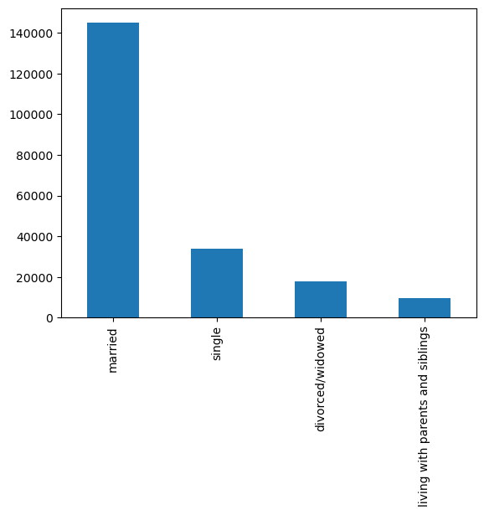

 |  | Customers age bracket | Loyalty Flag

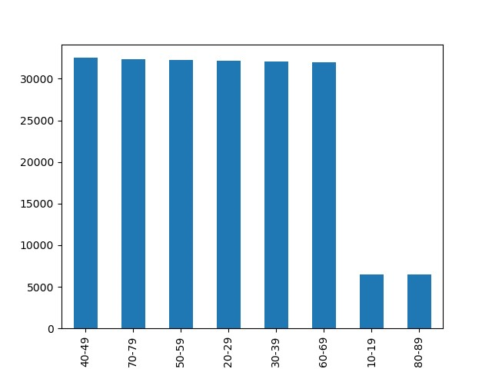



 | ----------------------------------------------------------------------------------------------------------------------------------------------------------------------------------------------------------------------------------------------------------------------------------- |  |  | -------------------------------------------------------------------------------------------------------------------------------------------------------------------------------------
 |  |  |  |  | You need to provide the Instacart senior stakeholders with descriptive findings about sales.
 |  |  |  |  | Orders_hour_of_day


--------------------------------------------------------------------------------------------------------------------------------------------------------------------------------------------------------------------------------------------------------------------------------------------------- |  |  |  | ------------------------------------------------------------------------------------------------------------------------------------------------------------ |  |  | ----------------------------
 |  | You need to conduct some exploratory analysis of customer demographics to inform the targeted marketing campaigns. First, determine whether there’s a connection between age and family situation by creating a line chart exploring the connections between age and number of dependents: | Check whether there’s a difference in expenditure (the “prices” column) depending on the hour of the day.¶ |  | You’ll also need to explore whether there’s a connection between age and spending power (income). To visualize this relationship, create a scatterplot using the sns.scatterplot() function

 |  | Exploring age and number of dependants | Price hour of day
 |  |  |  |  | Age and income

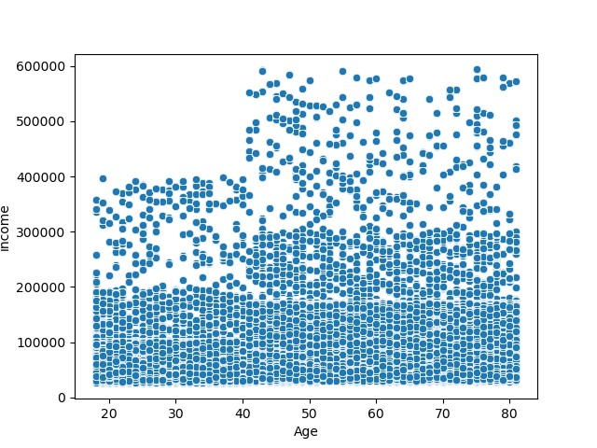

 |  | I do not see a relation between number of dependants and age | There is a spike a the 3 hour mark. |  | Approximate increase of $40,000 at the age 40 mark.

